Orders across day parts
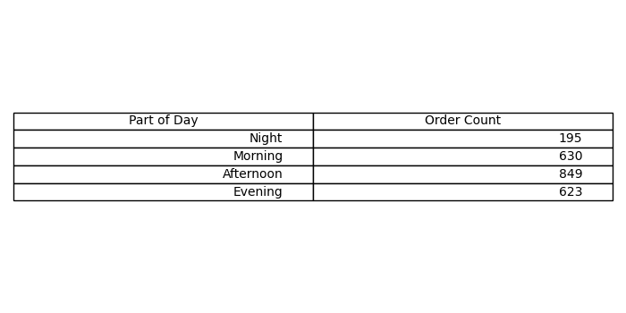
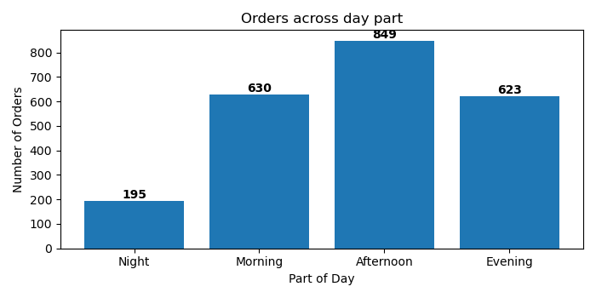
Part of Day | Order Count
N | 195
i | 630
g | 849
h | 623

